Sheet
forbidden_score = -60 | 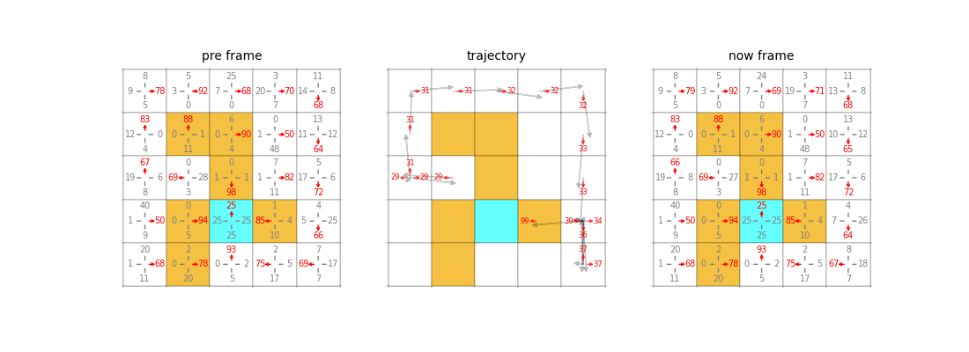 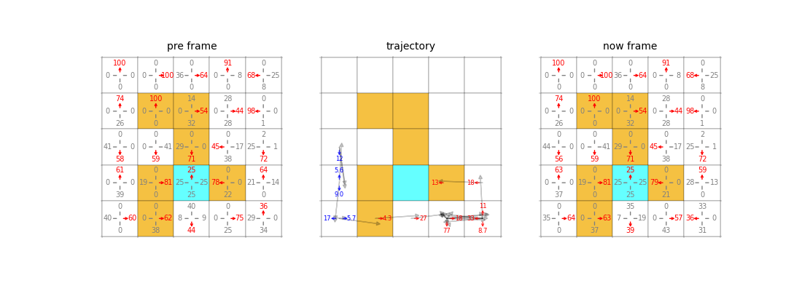
hit_wall_score = -10
terminal_score = 100
move_score = 0
action_space = 4
learning_rate = 0.0005
hidden_dim = 512
gamma = 0.99
num_episodes = 200000
start_state = 10
gamma_minus_each_episodes = 1e-05
exploring_step = 30

